ER DIAGRAM
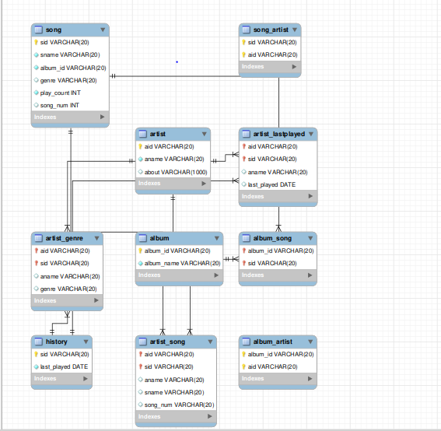
ER DIAGRAM

MySQLCodes
 |  |  |  |  |  | My SQL Codes

 | Album |  |  | Artist |  |  |  | Song
 | album_id | album_name |  | aid | aname | about |  | sid | sname | album_id | genre | play_count | song_num
 | a1 | Bollywood |  | 1 | Imtiaz Ali | Lucknow |  | 111 | Ghagra | a1 | dance | 21 | 54
 | a2 | Hollywood |  | 2 | Arijit Singh | Mumbai |  | 112 | Musafir | a1 | Romantic | 99 | 87
 |  |  |  | 3 | Drake | California |  | 157 | Demons | a2 | Pop | 17 | 117
create table album( album id varchar, (20) primary key,album name varchar (20) not null);
 |  |  |  | 4 | Rihanna | California |  | 432 | Different Worlds | a2 | Romantic | 99 | 225
create table artist (aid varchar (20) primary key,aname varchar (20) not null,about varchar(1000) ) ;
create table song (sid varchar (20) primary key,sname varchar (20) not null,album id varchar (20) not null,genre varchar(20),play count int not null,song num int);

 | Song Artist
 | sid | aid
 | 112 | 5
 | 111 | 7 |  | Album Artist |  |  |  | History
 | 157 | 88 |  | album_id | aid |  |  | sid | last played
 | 432 | 99 |  | a1 | 5 |  |  | 111 | 2022-02-04
 |  |  |  | a2 | 88 |  |  | 112 | 2022-02-07
create table song_artist (sid varchar (20) not null,aid varchar (20) not null,primary key(sid, aid));
 |  |  |  | a1 | 7 |  |  | 157 | 2022-02-08
 |  |  |  | a2 | 99 |  |  | 432 | 2022-01-11
create table history (sid varchar (20) not null,last played date not nuli,primary key (sid)) ;
create table album artist (album id varchar (20) not null,aid varchar (20) not null,primary key (album id, aid));

rel_album_song |  |  |  | rel_artist_song |  |  |  | rel_artist_lastplayed
sid | sname | album_name | album_id | aid | aname | sname | song_num | aid | aname | sid | last_played
111 | Ghagra | Bollywood | a1 | 1 | Imtiaz Ali | Ghagra | 54 | 1 | Imtiaz Ali | 111 | 2022-02-04
112 | Musafir | Bollywood | a1 | 2 | Arijit Singh | Musafir | 87 | 2 | Arijit Singh | 112 | 2022-02-07
157 | Demons | Hollywood | a2 | 3 | Drake | Demons | 117 | 3 | Drake | 157 | 2022-02-08
432 | Different Worlds | Hollywood | a2 | 4 | Rihanna | Different Worlds | 225 | 4 | Rihanna | 432 | 2022-01-11

create table album_song (album_id varchar(20),sid varchar(20),album name varchar(20),sname varchar(20),primary key(album id, sid),foreign key (album id) references album (album id),foreign key (sid) references song(sid)) ;
create table artist_song (aid varchar (20) , sid varchar (20) ,aname varchar(20),sname varchar(20),song num varchar(20),primary key(aid, sid),foreign key (aid) references artist(aid),foreign key(sid) references song (sid)) ;
create table artist_lastplayed (aid varchar (20) ,sid varchar (20) ,aname varchar(20),last played date,primary key(aid, sid),foreign key(aid) references artist(aid)) ;

rel_artist_genre
aid | aname | genre
1 | Imtiaz Ali | dance
2 | Arijit Singh | Romantic
3 | Drake | Pop
4 | Rihanna | Romantic
create table artist_genre (aid varchar(20),sid varchar (20) ,aname varchar(20),genre varchar(20),primary key(aid, sid),foreign key(aid) references artist (aid),foreign key(sid) references song(sid)) ;

Grant_Auth
Roles
Role | Name | userid | password | authority | tables
dba | Arjun Singh | singh | singh | create/drop/grant on all objects
singer | drake | drake | drake | select,insert,delete,update | All tables
customer | raj kumar | kumar | kumar | select | All tables
music store owner | billu | billu | billu | select | All tables but artist

User creation code
CREATE USER 'singh'@'localhost' IDENTIFIED BY 'singh' ;
CREATE USER 'drake'@'localhost' IDENTIFIED BY 'drake' ;
CREATE USER 'kumar'@'localhost' IDENTIFIED BY 'kumar' ;
CREATE USER 'billu'@'localhost' IDENTIFIED BY 'billu' ;
List of tables:
album
artist
song
song_artist
album_artist
history
rel_album_song rel_artist_song
rel_artist_lastplayed
rel_artist_genre

dba
grant select on *.* to 'singh'@'localhost' ;
singer
GRANT select, insert, update, delete ON music.* TO 'drake'@'localhost' ;
customer
GRANT select, insert, update, delete ON music.* TO 'kumar'@'localhost' ;
music store owner
GRANT select, insert, update, delete ON music.album TO 'billu'@'localhost' ;
GRANT select, insert, update, delete ON music.song TO 'billu'@'localhost' ;
GRANT select, insert, update, delete ON music.song_artist TO 'billu'@'localhost' ;
GRANT select, insert, update, delete ON music.album_artist TO 'billu'@'localhost' ;
GRANT select, insert, update, delete ON music.history TO 'billu'@'localhost' ;

KN
Roles

Role | Name | User ID | Password | Authority | Tables
dba | Alakshendra Sharma | alakshendra | alakshendra | create/drop/grant on all objects | All tables
manager | Kriti Suri | kriti | kriti | select | All tables
senior manager | Trisha Goyal | trisha | trisha | select,insert,update,delete | All tables
store owner | Shivam Suri | shivam | shivam | select | All tables except artist

TABLES
album
artist
song
song_artist
album_artist
history
rel_album_song rel_artist_song
rel_artist_lastplayed
rel_artist_genre
User creation code
CREATE USER 'alkshendra'@'localhost' IDENTIFIED BY 'alakshendra' ;
CREATE USER 'kriti'@'localhost' IDENTIFIED BY 'kriti' ;
CREATE USER 'trisha'@'localhost' IDENTIFIED BY 'trisha' ;
CREATE USER 'shivam'@'localhost' IDENTIFIED BY 'shivam' ;

DBA
grant create,drop ON *.* TO 'alakshendra'@'localhost' with grant option ;
Manager
grant select on *.* to 'kriti'@'localhost' ;
Senior Manager
grant select on *.* to 'trisha'@'localhost' ;
Store Owner
GRANT select, insert, update, delete ON music.album TO 'shivam'@'localhost' ;
GRANT select, insert, update, delete ON music.song TO 'shivam'@'localhost' ;
GRANT select, insert, update, delete ON music.song_artist TO 'shivam'@'localhost' ;
GRANT select, insert, update, delete ON music.album_artist TO 'shivam'@'localhost' ;
GRANT select, insert, update, delete ON music.history TO 'shivam'@'localhost' ;

